Dashboard
Policy Issuance Escalations Dashboard

Escalations by Specialist |  | Escalations by Type |  | Count of Escalations Per Month |  |  | Root Cause Breakdown

Specialists | Escalations | Escalation Type | Escalations |  | Month | Escalations Per Month | Escalation Date | Specialists | Root Cause | Market | Count of Escalation Date
Specialist 2 | 25 | Coverages | 50 |  | Feb | 16 | 2023-02-10 | Specialist 1 | Left off RC valuation for building coverage | General Star Indemnity Company | 1
Specialist 15 | 21 | Delivery | 42 |  | Mar | 27 | 2023-04-04 | Specialist 1 | issued this policy without the Wind/Hail deductible on the multiple deductible form | General Star Indemnity Company | 1
Specialist 3 | 14 | Dec Page | 29 |  | Apr | 37 | 2023-05-02 | Specialist 1 | did not follow up on exceptions | General Star Indemnity Company | 1
Specialist 8 | 13 | Exception | 25 |  | May | 51 | 2023-05-30 | Specialist 1 | various fields left blank for Insured info | Coaction Specialty | 1
Specialist 4 | 11 | Forms | 23 |  | Jun | 25 | Grand Total |  |  |  | 4
Specialist 10 | 9 | Insured info | 17 |  | Jul | 42
Specialist 6 | 9 | Account | 9 |  | Aug | 14
Specialist 19 | 8 | Removal | 8 |  | Grand Total | 212
Specialist 20 | 8 | Stamping | 4 | Count of Escalations Per Month
Specialist 12 | 7 | Additional Interest Info | 1
Specialist 18 | 6 | Filing Cabinet | 1
Specialist 25 | 6 | Binder | 1
Specialist 24 | 5 | Portal | 1
Specialist 32 | 5 | Multiple | 1
Specialist 13 | 5 | (blank)
Specialist 7 | 5 | Grand Total | 212
Specialist 5 | 5
Specialist 30 | 4
Specialist 29 | 4
Specialist 11 | 4
Specialist 1 | 4
Specialist 9 | 4
Specialist 28 | 3
Specialist 31 | 3
Specialist 34 | 3 |  |  | Filtering for Pivot Tables
Specialist 22 | 3
Specialist 17 | 3
Specialist 14 | 2
Specialist 26 | 2
Specialist 33 | 2
Specialist 27 | 2
Specialist 21 | 2
Specialist 16 | 1
Specialist 36 | 1
Specialist 35 | 1
Not Provided | 1
Specialist 23 | 1
(blank)
Grand Total | 212

 |  |  |  | Escalation trend by Specialist

 | Total
Jan | 0
Feb | 1
Mar | 0
Apr | 1
May | 2
Jun | 0
Jul | 0
Aug | 0

 |  |  |  | *will show total escalations per month until a specific Specialist is selected

Escalations Error Trend
 |  |  |  |  | Top Ecalation Types Per Month
 | Feb Escalations | Feb Count | Mar Escalations | Mar Count | Apr Escalations | Apr Count | May Escalations | May Count | Jun Escalations | Jun Count | Jul Escalations | Jul Count
 | Coverages | 6 | Forms | 7 | Coverages | 10 | Dec Page | 9 | Coverages | 9 | Delivery | 19
 | Forms | 2 | Exception | 5 | Dec Page | 8 | Coverages | 9 | Forms | 4 | Coverages | 10
 | Insured info | 2 | Coverages | 4 | Forms | 6 | Delivery | 12 | Delivery | 4 | Exception | 6

 | Escalation Type | Occurances Per Month |  | Escalation Type | Percent from total Escalations |  | Escalation Type | Total Count
 | Coverages | 6 |  | Coverages | 24% | 212 | Coverages | 50
 | Forms | 4 |  | Delivery | 20% |  | Delivery | 42
 | Delivery | 3 |  | Dec Page | 14% |  | Dec Page | 29
 | Dec Page | 2 |  | Forms | 11% |  | Forms | 23
 | Insured info | 1 |  | Exception | 12% |  | Exception | 25
 | Exception | 2 |  | Insured info | 8% |  | Insured info | 17

 | *Occurance of times each Error Type was in the top |  |  |  |  |  | * Coverages and Delivery have the highest count from the 5 months provided
 | three per month

Analysis

* "Coverage" escalations seems to be not only the most common occurance month over month but also received highest number of Escalations. 23% of the total Escalations were "Coverage" Escalations. Of those Coverage Escalations, 43% (21 of 48) were related to "premium descripancies" making premium descrpiancies the highest "Coverages" Escalation cause

* "Delivery" Escalations has the second highest count of incidents with 20% of the total Escalations. ‘Failure to deliver policy to retailer’ was the leading cause for "Delivery Escalations" with 79% of the Delivery Escalations total. In addition, the Delivery Escalations contained one outlier. In July, 13 of the 17 were from one Specialist in one market with the reason being ‘failure to attach policy to email’. However, even not including this outlier, ‘failure to deliver policy to retailer’ was still number one with 66% of the Deliverly Escalations" total.

*Dec Page Escalations had the third highest Escalation count 13%. with 42% (11 of 26) of the Dec page escalations relating to using the incorrect market

* "Forms" Escalations has fourth highest Escalation at 11% . Also worth noting that even though "Forms" Escalations was fourth, it showed up more consistently month over month compared to Dec Page Escalations. 72% (16 of the 22) of these Escalations were related to "Form Completion" errors which were distributed over various Markets.

Errors by Type
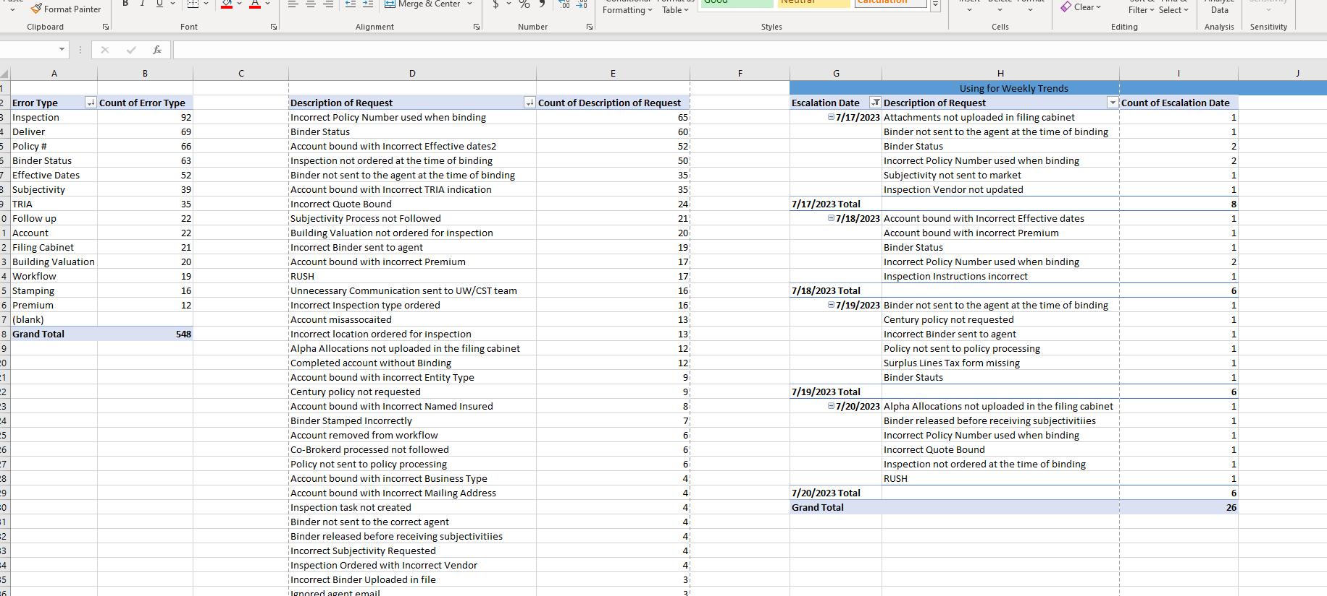
mirror this to binders escalation log, tab: errors by type

